Titan
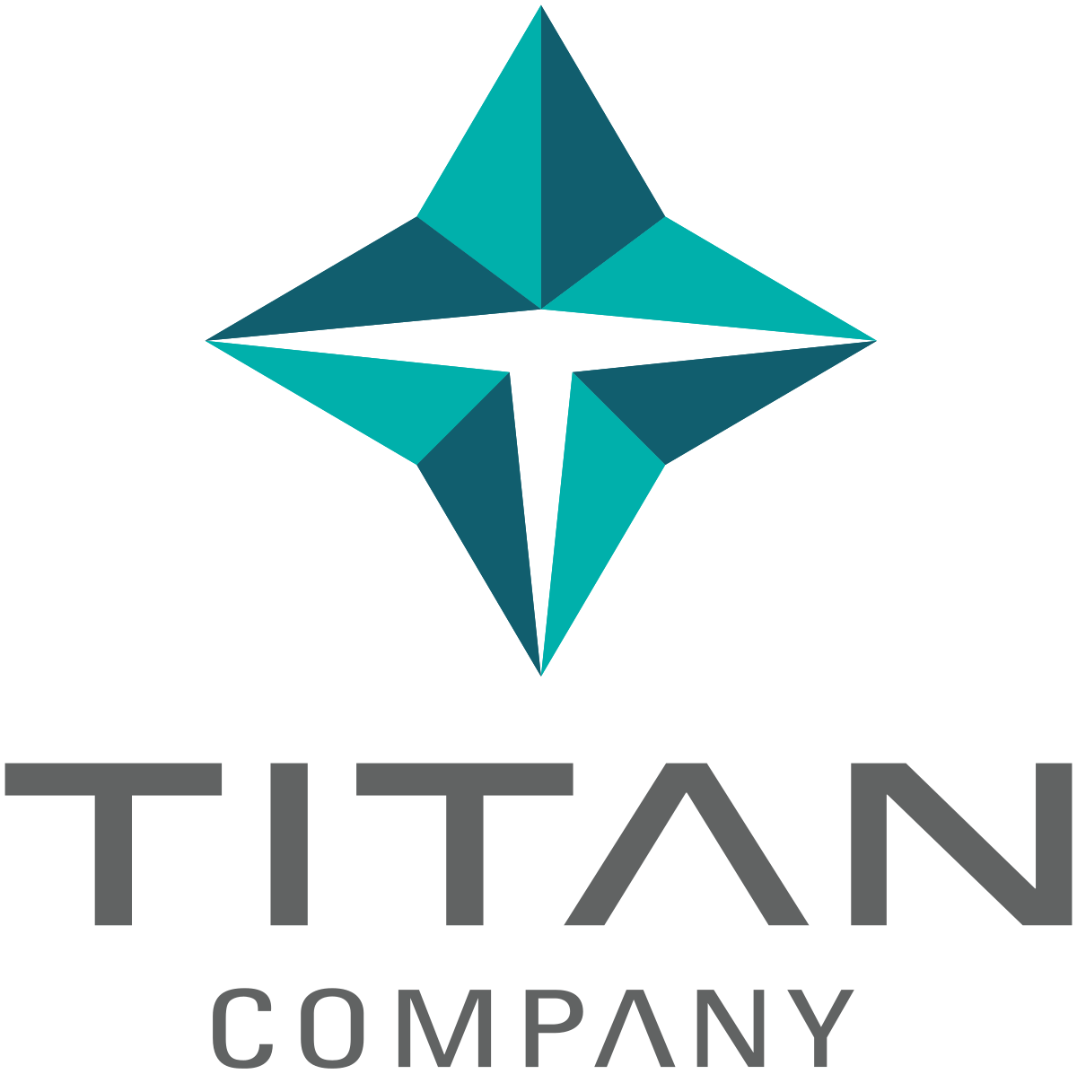
Project- | About This Company:
Valuation of Titan Company Ltd. using Discounted Cash Flow (DCF) Method | Titan Company Limited is a flagship enterprise of the Tata Group and a prominent player in India's consumer lifestyle sector. Founded in 1984 and headquartered in Bengaluru, Titan operates across multiple high-margin categories including jewelry (Tanishq, Mia), watches (Titan, Fastrack), eyewear (Titan Eye+), and emerging segments like smart wearables and fragrances. The company commands strong brand recognition and benefits from an extensive retail network across India. As of FY2025, Titan reported revenues of over ₹60,000 crore and a consistent upward trajectory in operating and net profits. With a healthy balance sheet, strong return ratios, and a scalable business model, Titan is widely regarded as a high-quality compounder in the Indian equity market. Its dominant position in the organized jewelry segment and continued innovation make it a preferred choice among investors seeking long-term growth.

Objective-
To estimate the intrinsic value of Titan using DCF methodology by forecasting Free Cash Flows to the Firm (FCFF) and discounting them at an appropriate WACC. Data from FY2020 to FY2025 used for projections until FY2030.

Data Sources
Screener.in
Yahoo Finance

Author + Project Report
Name : Yash Pandit Institute : IIT Kanpur
PDF Link

Legends
Negetive Values | (In Bracket)
Constants taken from reports | 123.00 Blue
Estimated using formulae | 123.00 Black
Values linked from other sheets | 123.00 Green | x
Assumptions | Yellow BG

